Sheet1
Garment Style | Garment Cut | Garment Color | Product Name | Total
 |  |  |  |  | Scale | Case | Pack
28A72-KF000A | Mens | White | Error Anime T-Shirt | 73,433 | 2-4-4-2 S-XL | 12 | Fold/size strip | 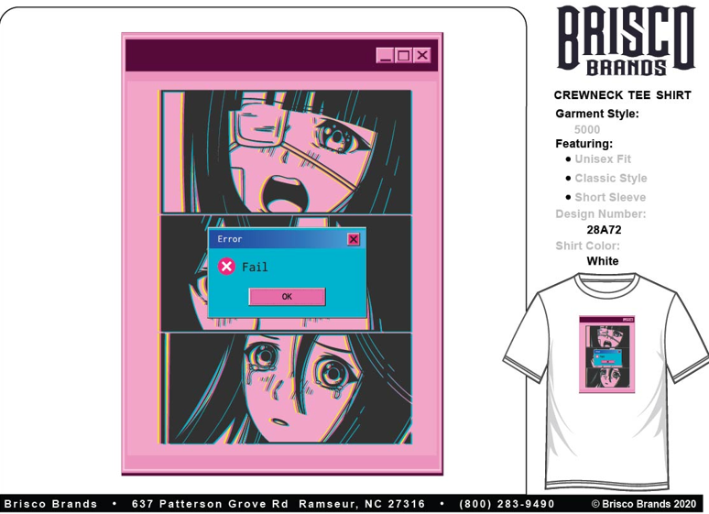
15L812-KA000L | Womens | White | Change Is Good T-Shirt | 56,147 | 2-4-4-2 S-XL | 12 | Fold/size strip | 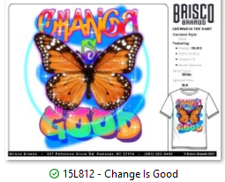
21L07C2-KF000A | Mens | Sport Grey | Pup Noodle T-Shirt | 55,782 | 2-4-4-2 S-XL | 12 | Fold/size strip | 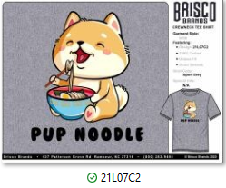
02L647-KF000L | Womens | White | Love & Unity | 55,643 | 2-4-4-2 S-XL | 12 | Fold/size strip | 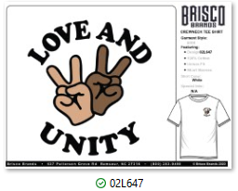
02A853LC-KF000L | Womens | White | Admire Yourself T-Shirt | 28,068 | 2-4-4-2 S-XL | 12 | Fold/size strip | 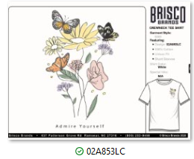
02X122-KF000L | Womens | White | It's Not Me T-Shirt | 26,940 | 2-4-4-2 S-XL | 12 | Fold/size strip | 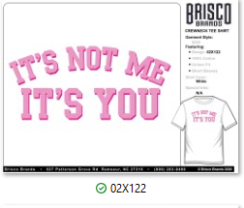
67A333V3-KF000A | Mens | Sport Grey | Unity T-Shirt | 24,660 | 2-4-4-2 S-XL | 12 | Fold/size strip
02A683-KA00FA | Mens | Red | Greetings North Pole Printed Tee | 24,552 | 2-4-4-2 S-XL | 12 | Fold/size strip
28A77-KA000L | Womens | White | Cute Anime Blue Hair T-Shirt | 24,551 | 2-4-4-2 S-XL | 12 | Fold/size strip | 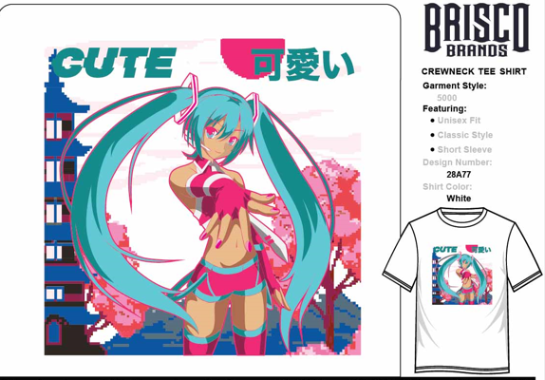
27L157-KF0STL | Womens | Black | Betty Bling Hat T-Shirt | 17,131 | 1-3-2 M-XL | 24 | hanger
28A231C2-KF000A | Mens | White | Anime Lonely Hearts T-Shirt | 12,510 | 2-4-4-2 S-XL | 12 | Fold/size strip | 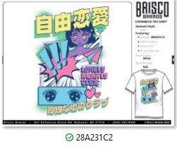
15A363V2-KA000L | Womens | Light Pink | Embrace Change Butterfly T-Shirt | 9,936 | 2-4-4-2 S-XL | 12 | Fold/size strip | 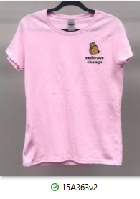
02X94-KF000A | Mens | Black | Your Opinion T-Shirt | 7,156 | 2-4-4-2 S-XL | 12 | Fold/size strip | 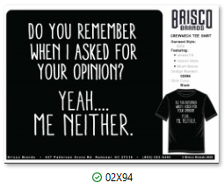
68A329-KF000A | Mens | Sport Grey | Im Fine Xmas T-Shirt | 5,496 | 2-4-4-2 S-XL | 12 | Fold/size strip
28A63-KF000A | Mens | White | Anime Eyes T-Shirt | 4,836 | 2-4-4-2 S-XL | 12 | Fold/size strip
02X150-KF000A | Mens | Sport Grey | Easily Distracted Printed T-Shirt | 3,318 | 2-4-4-2 S-XL | 12 | Fold/size strip
15A395-KA000A | Mens | Black | Starry Nights T-Shirt | 2,076 | 2-4-4-2 S-XL | 12 | Fold/size strip | 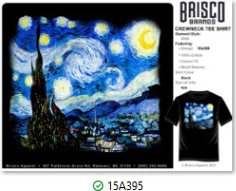
02X37V3-KF000A | Mens | White | Anime Panel T-Shirt | 1,488 | 2-4-4-2 S-XL | 12 | Fold/size strip | 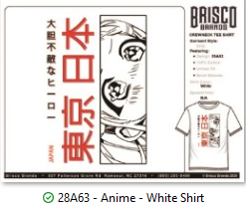
14A266-KF000A | Mens | Black | Pizza Feelings Printed T-Shirt | 1,080 | 2-4-4-2 S-XL | 12 | Fold/size strip
28A234-KF000L | Womens | Black | Anime Peace Printed T-Shirt | 780 | 2-4-4-2 S-XL | 12 | Fold/size strip | 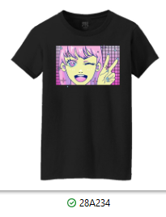
27D76-KA000A | Mens | Black | Pacman Retro T-Shirt | 312 | 2-4-4-2 S-XL | 12 | Fold/size strip | 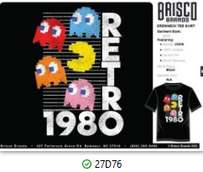
02X86-KF000A | Mens | Sport Grey | Paused Game T-Shirt | 228 | 2-4-4-2 S-XL | 12 | Fold/size strip | 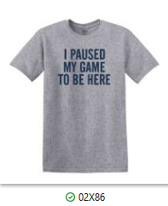
28A543V2-KF000A | Mens | White | Great White Surf Printed T-Shirt | 144 | 2-4-4-2 S-XL | 12 | Fold/size strip | 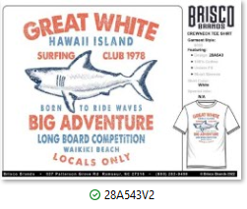
 |  |  | Total Piece Count | 436,267

